Original Model K=1
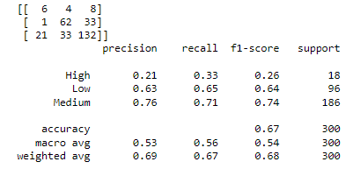
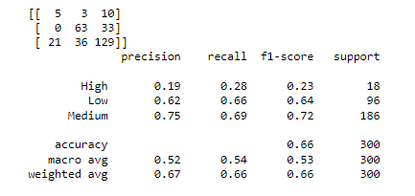
 |  | Predicted
 |  | High | Low | Medium | Actual Total | True Positives
Actual | High | 5 | 3 | 10 | 18
 | Low | 0 | 63 | 33 | 96
 | Medium | 21 | 36 | 129 | 186
 | Predicted Total | 26 | 102 | 172 | 300

Improved Model K=26
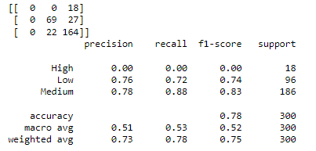
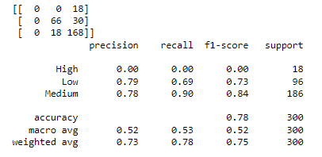
 |  | Predicted
 |  | High | Low | Medium | Actual Total | True Positives
Actual | High | 0 | 0 | 18 | 18
 | Low | 0 | 66 | 30 | 96
 | Medium | 0 | 18 | 168 | 186
 | Predicted Total | 0 | 84 | 216 | 300

Improved Model K=31
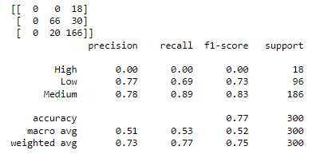
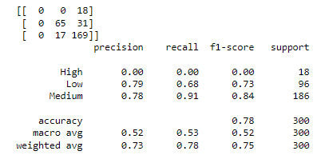
 |  | Predicted
 |  | High | Low | Medium | Actual Total | True Positives
Actual | High | 0 | 0 | 18 | 18
 | Low | 0 | 65 | 31 | 96
 | Medium | 0 | 17 | 169 | 186
 | Predicted Total | 0 | 82 | 218 | 300

